KKO
KAJIAN KELAYAKAN OPERASI

DAYA LAMA |  |  |  | DAYA BARU
Nama Pelanggan | : | PAM PP SIROJUTH THOLIBIN BRABO |  | Nama Pelanggan | : | PAM PP SIROJUTH THOLIBIN BRABO
Daya Lama (VA) | : | 2200 |  | Daya Baru (VA) | : | 11000
Jumlah Fasa | : | 1 | * | Jumlah Fasa | : | 1
Tegangan Sekunder Pengukuran rata-rata (Fasa-Netral) (V) | : | 220 | * | Tegangan Sekunder Pengukuran rata-rata (Fasa-Netral) (V) | : | 220
Beban Pelanggan (A) | : | 10.03 |  | Beban Pelanggan (A) | : | 50.14

SUPLAI TRAFO EKSISTING |  |  |  | SUPLAI TRAFO RENCANA
Nomor Tiang | : |  |  | Nomor Tiang | :
Penyulang | : |  |  | Penyulang | : | SGB02
Daya | : |  | * | Daya | : | 50
Jumlah Fasa | : |  | * | Jumlah Fasa | : | 3
Beban TRAFO (Pengukuran Lapangan) |  | 100 |  | Beban TRAFO | : | 50.14
Beban Primer | : | 0.00 | * | Beban Primer | : | 1.44
Beban Sekunder | : | 0.00 | * | Beban Sekunder | : | 75.97
Beban (A) | : | 0.00 |  | Beban (A) | : | #VALUE!
Prosentase Pembebanan | : | #DIV/0! |  | Beban (A) | : | 66%
 | 66% | 100%
Prosentase Pembebanan | : | 100% |  | Beban (A) | : | 100%

DATA





DATA
Tahun | : | 2022
Discount Rate | : | 12%
Transfer price TM | : | 1,084 |  | Marginal COST maret 2022
Umur ekonomis (tahun) | : | 25.00
Selisih Susut Teknis | : | 2.25%
∑ Daya | : | 9
BP (Rp) | : | 8,245,600
RAB (Rp) | : | 85,357,223
Biaya O&M (2% invest) | : | 1,707,144.46

Nama Pelanggan | : | PAM PP SIROJUTH THOLIBIN BRABO | *
Golongan Pelanggan | : | B2 | *
Jenis Layanan | : | REGULER | *
Daya Lama (kVA) | : | 2 | *
Daya Baru (kVA) | : | 11 | *
Tarif WBP (Rp/kWh) | : | 1,444.70 | *
Tarif LWBP (Rp/kWh) | : | 1,444.70 | *
BP (Rp/VA) TR | : | 937 | *
Jam Nyala | : | 40 | *

RAB
 |  | PT. PLN ( PERSERO )
 |  | UNIT INDUK DISTRIBUSI JAWA TENGAH & DI YOGYAKARTA |  |  |  |  |  |  |  |  |  | RAB TOTAL
 |  | UP3 DEMAK |  |  |  |  |  |  |  |  | RAB TOTAL | RAB NON MDU
 | RENCANA ANGGARAN BIAYA (RAB)

 |  |  |  | Pekerjaan | : | PAM PP SIROJUTH THOLIBIN BRABO
 |  |  |  | Lokasi | : | DESA BRABO TANGGUNGHARJO
 |  |  |  | Pelaksana | : | PT. PLN (PERSERO) UP3 DEMAK
 |  |  |  | Anggaran | : | SAR 2023

Note !! 1. Saat Pengisian Uraian di mohon memasukan nama material sesuai dengan nama material di harga satuan
2. Mohon di cek kembali saat pengisian volume material
3. Untuk program Sarana Penunjang Fungsi tidak perlu SLO.
 | NO | URAIAN | GOL | SAT | VOL | HARGA SATUAN | BIAYA YANG DIPERLUKAN ( Rp )
 |  |  |  |  |  |  | MDU | HARDWARE | JASA | JUMLAH

#REF! | A | PEMASANGAN TIANG |  |  |  | 0 | 0 | 0 | 0 | 0
#REF! | + | Tiang Beton 9M-200 daN+E | HDW | Unit | 6 | 3,382,600 | 0 | 20,295,600 | 0 | 20,295,600
#REF! | + | Penomoran Tiang | JASA | Unit | 6 | 10,067 | 0 | 0 | 60,400 | 60,400
#REF! | + | Penghalang Panjat dan Papan Peringatan | HDW | Unit | 6 | 200,000 | 0 | 1,200,000 | 0 | 1,200,000
 |  |  |  |  |  | 0 | 0 | 0 | 0 | 0
 | B | PEKERJAAN PEMASANGAN KONSTRUKSI TM |  |  |  | 0 | 0 | 0 | 0 | 0
#REF! |  |  |  |  |  | 0 | 0 | 0 | 0 | 0
#REF! | + | Trafo 1 Fasa CSP 50 KVA (G105, G106, G136) |  | Unit | 1 | 0 | 0 | 0 | 0 | 0
#REF! | 1 | Trafo 1 Fasa CSP 50 kVA | MDU-KD | Bh | 1 | 27,845,400 | 27,845,400 | 0 | 0 | 27,845,400
 | 2 | Jumper Wire : |  |  |  | 0 | 0 | 0 | 0 | 0
1 |  | AAAC 70 mm² | MDU-KD | Mtr | 2 | 14,200 | 28,400 | 0 | 0 | 28,400
1 |  | NFA2X-T 2 x 70 + N 50 mm² |  |  | 2 | 0 | 0 | 0 | 0 | 0
1 | 3 | Hot Line Clamp ( 35mm² s/d 70 mm² ) | HDW | Bh | 1 | 87,000 | 0 | 87,000 | 0 | 87,000
#REF! | 4 | Bracket band segment,vertikal plat ( Hot dip galvanis ) | HDW | Bh | 2 | 404,600 | 0 | 809,200 | 0 | 809,200
#REF! | 5 | Compresion Conector H type 70 mm² / 70 mm² | HDW | Bh | 3 | 15,900 | 0 | 47,700 | 0 | 47,700
1 | 6 | Compresion Terminal Lug 70 mm² | HDW | Bh | 2 | 17,100 | 0 | 34,200 | 0 | 34,200
1 | 7 | Sepatu Kabel AL/CU Ring-70 mm² |  |  | 4 | 0 | 0 | 0 | 0 | 0
1 | 8 | Armour Rod # for 70 mm² | HDW | Set | 1 | 67,800 | 0 | 67,800 | 0 | 67,800
#REF! | 9 | Ground wire Cu 16 mm² | HDW | Mtr | 2 | 30,000 | 0 | 60,000 | 0 | 60,000
#REF! | 10 | Upah Pasang Trafo 1 Fasa 50 KVA + Bracket | JASA | Unit | 1 | 346,400 | 0 | 0 | 346,400 | 346,400
#REF! |  |  |  |  |  | 0 | 0 | 0 | 0 | 0
 | + | SJ5 |  | Unit | 2 | 0 | 0 | 0 | 0 | 0
1 | 1 | Pole Band Double Up Side 7" atau 7 ½" | HDW | Bh | 2 | 61,800 | 0 | 123,600 | 0 | 123,600
1 | 2 | Spool Insulator ANSI 53 - 2 | HDW | Bh | 2 | 28,000 | 0 | 56,000 | 0 | 56,000
#REF! | 3 | Tie Wire # 4 / Alluminium bonding wire # 20 | HDW | Mtr | 1.6 | 8,550 | 0 | 13,680 | 0 | 13,680
#REF! | 4 | Upah Pasang Konst. JTR J5 | JASA | Unit | 2 | 33,200 | 0 | 0 | 66,400 | 66,400
1 |  |  |  |  |  | 0 | 0 | 0 | 0 | 0
 | + | SJ6 |  | Unit | 4
#REF! | 1 | Armour Tape ¼" wide | HDW | Mtr | 4 | 7,789 | 0 | 31,156 | 0 | 31,156
 | 2 | Clevis Swinging Secondary | HDW | Bh | 4 | 15,500 | 0 | 62,000 | 0 | 62,000
1 | 3 | Loop Dead End Clamp / LC ( 35 s/d 240 ) mm² | HDW | Bh | 8 | 29,600 | 0 | 236,800 | 0 | 236,800
 | 4 | Oval Eye Nut ⅝" | HDW | Bh | 4
#REF! | 5 | Pole Band Single Rack 7" atau 7 ½" | HDW | Bh | 4 | 57,690 | 0 | 230,760 | 0 | 230,760
 | 6 | Spool Insulator ANSI 53 - 4 | HDW | Bh | 4 | 33,502 | 0 | 134,007 | 0 | 134,007
1 | 7 | Upah Pasang Konst. JTR J6 | JASA | Unit | 4 | 35,700 | 0 | 0 | 142,800 | 142,800
1 |  |  |  |  |  | 0 | 0 | 0 | 0 | 0
#REF! | + | SJ7 |  | Unit | 2 | 0 | 0 | 0 | 0 | 0
#REF! | 1 | Armour Rod # for 70 mm² | HDW | Set | 2 | 67,800 | 0 | 135,600 | 0 | 135,600
1 | 2 | Clevis Swinging Secondary | HDW | Bh | 2 | 15,500 | 0 | 31,000 | 0 | 31,000
 | 3 | Oval Eye Nut ⅝" | HDW | Bh | 2 | 23,936 | 0 | 47,872 | 0 | 47,872
#REF! | 4 | Pole Band Single Rack 7" atau 7 ½" | HDW | Bh | 2 | 57,690 | 0 | 115,380 | 0 | 115,380
 | 5 | Spool Insulator ANSI 53 - 4 | HDW | Bh | 2 | 33,502 | 0 | 67,004 | 0 | 67,004
1 | 6 | Tie Wire # 4 / Alluminium bonding wire # 20 | HDW | Mtr | 1.6 | 8,550 | 0 | 13,680 | 0 | 13,680
1 | 7 | Upah Pasang Konst. JTR J7 | JASA | Unit | 2 | 37,600 | 0 | 0 | 75,200 | 75,200
#REF! |  |  |  |  |  | 0 | 0 | 0 | 0 | 0
#REF! | + | MJ6-T |  | Unit | 1 | 0 | 0 | 0 | 0 | 0
1 | 1 | Insulating Tape | HDW | Bh | 1 | 3,965 | 0 | 3,965 | 0 | 3,965
1 | 2 | Split Plastic Sleve ( Tutup Kabel ) | HDW | Bh | 1 | 3,711 | 0 | 3,711 | 0 | 3,711
#REF! | 3 | Stainless Steel Strap 20 x 0.7 mm | HDW | Mtr | 1 | 23,310 | 0 | 23,310 | 0 | 23,310
#REF! | 4 | Stopping Buckle / Yokes | HDW | Bh | 1 | 2,300 | 0 | 2,300 | 0 | 2,300
#REF! | 5 | Upah Pasang Konst. JTR MJ6-T | JASA | Unit | 1 | 22,700 | 0 | 0 | 22,700 | 22,700

1 | + | CM2-12 |  | Unit | 7 | 0 | 0 | 0 | 0 | 0
1 | 1 | Bimetalic Connector 35 - 240 mm² | HDW | Bh | 7 | 47,459 | 0 | 332,213 | 0 | 332,213
#REF! | 2 | Ground wire Cu 16 mm² | HDW | Mtr | 5.6 | 30,000 | 0 | 168,000 | 0 | 168,000
#REF! | 3 | Ground rod & Washer | HDW | Bh | 7 | 9,500 | 0 | 66,500 | 0 | 66,500
 | 4 | Upah Pasang Acc.Jar M2-12 | JASA | Unit | 7 | 16,200 | 0 | 0 | 113,400 | 113,400
#REF! |  |  |  |  |  | 0 | 0 | 0 | 0 | 0
#REF! | + | CM2-12A |  | Unit | 4 | 0 | 0 | 0 | 0 | 0
1 | 1 | Bimetalic Connector 35 - 240 mm² | HDW | Bh | 4 | 47,459 | 0 | 189,836 | 0 | 189,836
1 | 2 | Ground wire Cu 16 mm² | HDW | Mtr | 4 | 30,000 | 0 | 120,000 | 0 | 120,000
1 | 3 | Ground rod & Washer | HDW | Bh | 4 | 9,500 | 0 | 38,000 | 0 | 38,000
#REF! | 4 | Upah Pasang Acc.Jar M2-12A | JASA | Unit | 4 | 21,200 | 0 | 0 | 84,800 | 84,800
#REF! |  |  |  |  |  | 0 | 0 | 0 | 0 | 0
FALSE | + | CM2-11M |  | Unit | 2 | 0 | 0 | 0 | 0 | 0
FALSE | 1 | Ground rod ⅝" x 8" Copper Weld | HDW | Bh | 2 | 185,200 | 0 | 370,400 | 0 | 370,400
1 | 2 | Bimetalic Connector 35 - 240 mm² | HDW | Bh | 2 | 47,459 | 0 | 94,918 | 0 | 94,918
1 | 3 | Clamp Ground Rod ⅝" | HDW | Bh | 2 | 4,880 | 0 | 9,760 | 0 | 9,760
1 | 4 | Ground wire Cu 16 mm² | HDW | Mtr | 20 | 30,000 | 0 | 600,000 | 0 | 600,000
#REF! | 5 | Ground rod & Washer | HDW | Bh | 4 | 9,500 | 0 | 38,000 | 0 | 38,000
#REF! | 6 | Pipa PVC ½" | HDW | Bh | 11 | 6,100 | 0 | 67,100 | 0 | 67,100
 | 7 | Stopping Buckle / Yokes | HDW | Bh | 12 | 2,300 | 0 | 27,600 | 0 | 27,600
#REF! | 8 | Stainless Steel Strap 20 X 0.7 mm | HDW | Mtr | 9.6 | 23,310 | 0 | 223,776 | 0 | 223,776
#REF! | 9 | Upah Pasang Acc.Jar M2-11M | JASA | Unit | 2 | 65,400 | 0 | 0 | 130,800 | 130,800
1 |  |  |  |  |  | 0 | 0 | 0 | 0 | 0
1 | + | F1-2 |  | Unit | 4 | 0 | 0 | 0 | 0 | 0
1 | 1 | Rod Anchor ⅝" x 7' | HDW | Bh | 4 | 104,200 | 0 | 416,800 | 0 | 416,800
#REF! | 2 | Expanding Anchor 8.000 lbs | HDW | Bh | 4 | 120,000 | 0 | 480,000 | 0 | 480,000
#REF! | 3 | Kousen | HDW | Bh | 4 | 4,500 | 0 | 18,000 | 0 | 18,000
FALSE | 4 | Upah Pasang Acc.Jar F1-2 | JASA | Unit | 4 | 55,500 | 0 | 0 | 222,000 | 222,000
1 |  |  |  |  |  | 0 | 0 | 0 | 0 | 0
1 | + | CE1-3 |  | Unit | 4 | 0 | 0 | 0 | 0 | 0
1 | 1 | Bolt Machine ⅝" x 10" | HDW | Bh | 4 | 26,500 | 0 | 106,000 | 0 | 106,000
#REF! | 2 | Guy Attachment / Guy hok | HDW | Bh | 4 | 12,500 | 0 | 50,000 | 0 | 50,000
#REF! | 3 | Guy Wire 35 mm² | HDW | Mtr | 48 | 24,300 | 0 | 1,166,400 | 0 | 1,166,400
 | 4 | Three Bolt Clamp | HDW | Bh | 8 | 40,000 | 0 | 320,000 | 0 | 320,000
#REF! | 5 | Washer Square 2 ¼" | HDW | Bh | 4 | 2,500 | 0 | 10,000 | 0 | 10,000
#REF! | 6 | Upah Pasang Acc.Jar E1-3 | JASA | Unit | 4 | 36,600 | 0 | 0 | 146,400 | 146,400
#REF! |  |  |  |  |  | 0 | 0 | 0 | 0 | 0
#REF! | 1 | NFA2X-T 2 x 70 + N 70 mm² | MDU-KD | Mtr | 250 | 53,300 | 13,325,000 | 0 | 0 | 13,325,000
FALSE | 2 | Upah Pasang Penghantar TR LVTC 3x70 + 1x50mm² | JASA | Per 50 m | 5 | 223,500 | 0 | 0 | 1,117,500 | 1,117,500
1 |  |  |  |  |  | 0 | 0 | 0 | 0 | 0
1 | D | PEKERJAAN PEMASANGAN APP |  |  |  | 0 | 0 | 0 | 0 | 0
1 | + | Daya 11.000 VA |  | Unit | 1 | 0 | 0 | 0 | 0 | 0
#REF! | 1 | KWH MPB; 1P;230V;5(60)A;1;2W | MDU-KD | Bh | 1 | 327,600 | 327,600 | 0 | 0 | 327,600
#REF! | 2 | MCB 1 Fasa 50 A | MDU-KD | Bh | 1 | 39,000 | 39,000 | 0 | 0 | 39,000
 | 3 | NFA2X 2 x 25 mm² | HDW | Mtr | 20 | 8,900 | 0 | 178,000 | 0 | 178,000
#REF! | 4 | Upah Pasang SR + APP 1 Fasa | JASA | Unit | 35 | 54,400 | 0 | 0 | 1,904,000 | 1,904,000
#REF! |  |  |  |  |  | 0 | 0 | 0 | 0 | 0
#REF! |  |  |  |  |  | 0 | 0 | 0 | 0 | 0
#REF! |  | SLO |  |  |  | 0 | 0 | 0 | 0 | 0
#REF! | 1 | Sertifikasi Laik Operasi | JASA | Lot | 1 | 2.5% | 0 | 0 | 1,875,571 | 1,875,571
#REF! |  |  |  |  |  | 0 | 0 | 0 | 0 | 0
 |  |  |  |  |  | 0 | 0 | 0 | 0 | 0
 |  |  |  |  |  | 0 | 0 | 0 | 0 | 0
 |  |  |  |  |  | 0.0% |  |  | 0 | 0
 |  |  |  |  |  |  | 0 | 0 | 0 | 0

 |  | Jumlah MDU - Hardware - Jasa |  |  |  | : | 41,565,400 | 29,024,628 | 6,308,371 | 76,898,399
 |  | PPN 11% |  |  |  | : | 4,572,194 | 3,192,709 | 693,921 | 8,458,824
 |  | Jumlah Total |  |  |  | : | 46,137,594 | 32,217,338 | 7,002,291 | 85,357,223
 | Terbilang : Delapan Puluh Lima Juta Tiga Ratus Lima Puluh Tujuh Ribu Dua Ratus Dua Puluh Tiga Rupiah

 | Harga yang dipakai adalah RAB HSS 2023

 |  |  |  |  |  |  |  | TEGOWANU, SEPTEMBER 2023
 |  |  |  |  |  |  |  | MANAGER ULP

 |  |  |  |  |  |  |  | HARY PRATAMA

GAMBAR (2)
 |  |  |  |  | PT. PLN (PERSERO) AREA DEMAK

Hasil Ukur Trafo x Ph xx KVA ( X ) di MGN |  |  |  |  | Keterangan Gambar :
 | X0 | X1 | X2 | X3 | No | Nama Material |  |  | Baru |  | Eksisting
SIANG |  |  |  |  | 1 | Tiang Beton
MALAM | 10 | 56.1 | 40.8 | - | 2 | Tiang Besi
 |  |  |  |  | 3 | JTM 3 Fasa
 |  |  |  |  | 4 | JTM 1 Fasa
 |  |  |  |  | 5 | JTR 1 Fasa Only / UB
 |  |  |  |  | 6 | JTR 3 Fasa Only / UB
 |  |  |  |  | 7 | Trafo 1 Fasa
 |  |  |  |  | 8 | Trafo 3 Fasa
 |  |  |  |  | 9 | Fuse Cut Out
 |  |  |  |  | 10 | ABSW
 |  |  |  |  | 11 | Vang Net
 |  |  |  |  | 12 | Schoor
 |  |  |  |  | 13
Tanggungkrajan - Tanggungharjo
MGN04-296/4/4
1 SJ7
1 CM2-12
1 CM2-12A
1 CE1-2
1 F1-3
 |  |  |  |  | Bongkar Pasang Konstruksi :
 |  |  |  |  | Pasang |  |  |  | Bongkar
 |  |  |  |  | C9-200E |  | BTG | 6 |  |  |  |  | 157
MGN04-296/4/5
1 SJ5
1 CM2-12
 |  |  |  |  | SJ5 |  | U | 2
 |  |  |  |  | SJ6 |  | U | 4
MGN04-296/4/6
1 SJ6
1 MJ6-T
1 CM2-12
1 CM2-12A
1 CE1-2
1 F1-3
MGN04-296/4/2
1 SJ5
1 CM2-12
MGN04-296/4/1
2 SJ6
1 CM2-12
1 CM2-12A
1 CE1-2
1 F1-3
 |  |  |  |  | SJ7 |  | U | 2
 |  |  |  |  | CM2-12 |  | U | 7
50 m
40 m
 |  |  |  |  | CM2-12A |  | U | 4
40 m
 |  |  |  |  | CE1-2 |  | U | 4
40 m
A
 |  |  |  |  | F1-3 |  | U | 4
40 m
 |  |  |  |  | MJ6-T |  | U | 1
 |  |  |  |  | NFA2X-T 2x70+nx50 MM2 |  | M | 250
MGN04-296/4/3
1 SJ7
1 CM2-12
1 CM2-12A
1 CE1-2
1 F1-3
20 m
37 m

MGN04-296/4
1 SJ6
3 CCO 70-70
1 CM2-12

APP
APP

 |  |  |  |  | Keterangan Tambahan : '-7.095032,11,597581

 |  |  |  |  | Golongan |  | GANTI APP
 |  |  |  |  | No. Gambar |  | 1 |  |  | Lembar |  | dr
 |  |  |  |  | Gambar dari |  |  |  |  | Skala
 |  |  |  |  | Perihal:
 |  |  |  |  | PAM PP SIROJUTH THOLIBIN 11 KVA

 |  |  |  |  | Digambar |  | STAFF TEKNIK
 |  |  |  |  | Diperiksa |  | TEAM LEADER TEKNIK
 |  |  |  |  | Diketahui |  | MANAGER ULP
 |  |  |  |  | Disetujui |  | MAN PERENCANAAN

PETA
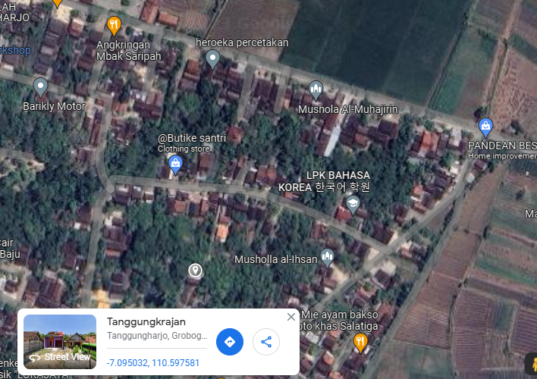
PETA LOKASI PELANGGAN

KOORDINAT LOKASI : '-7.095032,11,597581

SLD
SINGLE LINE DIAGRAM LOKASI PELANGGAN

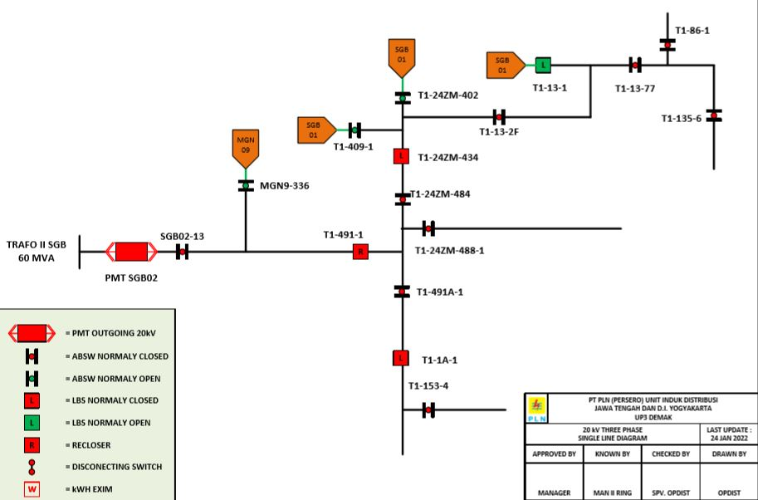

Lokasi Perumahan
PUTRA WAHID

